Simple Shell and Tube
File name | shell and tube heat exchanger.hsc
Unit Operation | E-01 Simple Design

Workflow
1. Open attached shell and tube heat exchanger.hsc file.
2. Click on the Datasheet button on the ribbon.
3. Select a server to connect, then connect to a workspace.
4. Go to Mapper tab, click on the hyperlink of E-01 Simple Design to open Object Mapping screen.
5. Select 'Shell and Tube Heat Exchanger' for the MapAs Column, and 'Create' for Workspace Object column.
6. Make sure the ports of valve are mapped automated.
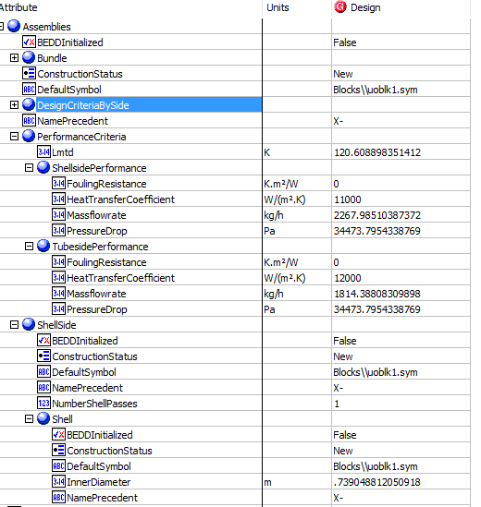
7. Click on Close icon at the top right to close the Object Mapping screen.
8. Click Save Change and Transfer button.
9. Click on the Explorer tab, click on E-01 Simple Design in by Equipment view. Make sure all data are correctly.

Expected Results |  | Notes: For Index 21 and 22, please manully type the value in Hysys, then transfer

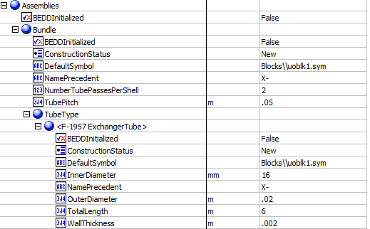
Shell And Tube Exchanger (CQ00748796)
 |  |  |  |  |  |  | Assembies
Index Number | Attributes | AbeAdsClass View | ABE Default Attributes | Hysys Value | Units

1 | Tube side mass flowrate | TubeSideMassFlow | Assemblies.PerformanceCriteria.TubesidePerformance.Massflowrate | 1814.3880976 | kg/h | 0.50399669378
2 | Shell side mass flowrate | ShellSideMassFlow | Assemblies.PerformanceCriteria.ShellsidePerformance.Massflowrate | 2267.985122 | kg/h | 0.62999586723
17 | Shell side allowable pressure drop | ShellPressureDrop | Assemblies.PerformanceCriteria.ShellsidePerformance.PressureDrop | 34.473795434 | kPa
18 | Tube side allowable pressure drop | TubePressureDrop | Assemblies.PerformanceCriteria.TubesidePerformance.PressureDrop | 34.473795434 | kPa
19 | shell side fouling resistance | ShellFoulingResistance | Assemblies.PerformanceCriteria.ShellsidePerformance.FoulingResistance | 0 | C-h-m2/kJ
20 | Tube side fouling resistance | TubeFoulingResistance | Assemblies.PerformanceCriteria.TubesidePerformance.FoulingResistance | 0 | C-h-m2/kJ
21 | Shell side heat transfer coefficient | ShellHeatTransferCoefficient | Assemblies.PerformanceCriteria.ShellsidePerformance.HeatTransferCoefficient | 11000 | W/m2-K
22 | Tube side heat transfer coefficient | TubeHeatTransferCoefficient | Assemblies.PerformanceCriteria.TubesidePerformance.HeatTransferCoefficient | 22000 | W/m2-K
24 | LMTD | LogMeanTemperatureDifference | Assemblies.PerformanceCriteria.Lmtd | 126.64695107 | K
25 | Tube side OD | TubeOutsideDiameter | Assemblies.Bundle.TubeType.OuterDiameter | 0.02 | m
26 | Tube thickness | TubeWALLThickness | Assemblies.Bundle.TubeType(1).WallThickness | 0.002 | m
27 | Tube length | TubeLength | Assemblies.Bundle.TubeType(1).TotalLength | 6 | m
29 | tube pitch | TubePitch | Assemblies.Bundle.TubePitch | 0.05 | m
67 | Number of ShellPasses | NumberOfShellPasses | Assemblies.ShellSide.NumberShellPasses | 1
68 | ShellTEAMType | ShellTEMAType | Assemblies.ShellSide.TemaShellType | AEL |  | the value extracted from WS is empty, also no supported attribute
71 | NumberofTubePassesPerShell | ShellParallel | Assemblies.Bundle.NumberTubePassesPerShell | 2
72 | TubeInsideDiameter | ShellSeries | Assemblies.Bundle.TubeType(1).InnerDiameter | 16 | mm

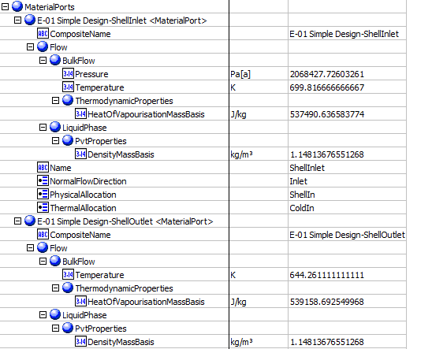
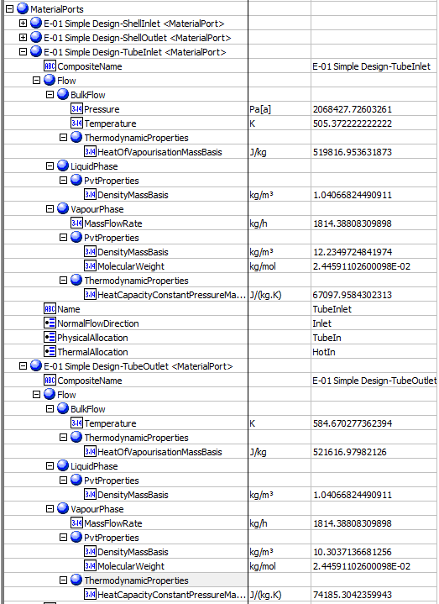
 |  |  |  |  |  |  | MaterialPorts-ShellSide | MaterialPorts-TubeSide
3 | Shell side inlet temperature | ShellInletTemperature | MaterialPorts[PhysicalAllocation="ShellIn"].Flow.BulkFlow.Temperature | 699.81666667 | K
4 | Shell side outlet temperature | ShellOutletTemperature | MaterialPorts[PhysicalAllocation="ShellOut"].Flow.BulkFlow.Temperature | 644.26111111 | K
5 | tube side inlet temperature | TubeInletTemperature | MaterialPorts[PhysicalAllocation="TubeIn"].Flow.BulkFlow.Temperature | 505.37222222 | K
6 | tube side outlet temperture | TubeOutletTemperature | MaterialPorts[PhysicalAllocation="TubeOut"].Flow.BulkFlow.Temperature | 584.67027736 | K
7 | shell side inlet liquid mass density | ShellSideInletLiquidMassDensity | MaterialPorts[PhysicalAllocation="ShellInlet"].Flow.LiquidPhase.PvtProperties.DensityMassBasis | 1.1481367655 | kg/m3
8 | shell side outlet liquid mass density | ShellSideOutletLiquidMassDensity | MaterialPorts[PhysicalAllocation="ShellOut"].Flow.LiquidPhase.PvtProperties.DensityMassBasis | 1.1481367655 | kg/m3
9 | tube side inlet liquid mass density | TubeSideInletLiquidMassDensity | MaterialPorts[PhysicalAllocation="TubeInlet"].Flow.LiquidPhase.PvtProperties.DensityMassBasis | 1.0406682449 | kg/m3
10 | tube side outlet liquid mass density | TubeSideOutletLiquidMassDensity | MaterialPorts[PhysicalAllocation="TubeOut"].Flow.LiquidPhase.PvtProperties.DensityMassBasis | 1.0406682449 | kg/m3
11 | shell side inlet latent heat | ShellSideInletLatentHeat | MaterialPorts[PhysicalAllocation="ShellIn"].Flow.LiquidPhase.ThermodynamicProperties.HeatOfVapourisationMassBasis | 537.49063658 | kJ/kg
12 | shell side outlet latent heat | ShellSideOutLetLatentHeat | MaterialPorts[PhysicalAllocation="ShellOut"].Flow.LiquidPhase.ThermodynamicProperties.HeatOfVapourisationMassBasis | 539.15869255 | kJ/kg
13 | tube side inlet latent heat | TubeSideInletLatentHeat | MaterialPorts[PhysicalAllocation="TubeIn"].Flow.LiquidPhase.ThermodynamicProperties.HeatOfVapourisationMassBasis | 519.81695363 | kJ/kg
14 | tube side outlet latent heat | TubeSideOutLetLatentHeat | MaterialPorts[PhysicalAllocation="TubeOut"].Flow.LiquidPhase.ThermodynamicProperties.HeatOfVapourisationMassBasis | 521.61697982 | kJ/kg
15 | shell side inlet pressure | ShellSideInletPressure | MaterialPorts[PhysicalAllocation="ShellIn"].Flow.BulkFlow.Pressure | 2068.427726 | kPa
16 | tube side inlet pressure | TubeSideInletPressure | MaterialPorts[PhysicalAllocation="TubeIn"].Flow.BulkFlow.Pressure | 2068.427726 | kPa

23 | Duty | Duty | PerformanceCriteria.PerformanceData(1).HeatDuty | 115536.83652 | W
28 | Shell ID | ShellDiameter | ShellAndTubeHeatExchanger.ShellDiameterInner | 739.04881205 | mm
62 | UA | UA | PerformanceCriteria.OverallHeatTransferCoefficient | 957.94620544 | W/C
63 | UACurvatureError | UaCurvatureError | UaCurvatureError | 0
64 | FT factor | FTFactor | FTFactor | 0.95232374196
65 | HeatLeak | HeatLeak | HeatLeak | 0 | kg/h
66 | HeatLoss | HeatLoss | HeatLoss | 0 | kg/h
69 | Number of Shell in Parallel | ShellParallel | NumberShellsInParallel | 1
70 | Number of Shell in Series | ShellSeries | NumberShellsInSeries | 1 |  |  | Other Value
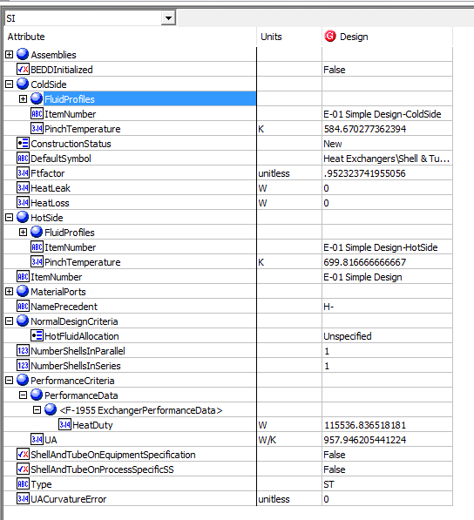
90 | TemperatureHotPinch | TemperatureHotPinch | HotSide.PinchTemperature | 699.81666667 | K
91 | TemperatureColdPinch | TemperatureColdPinch | ColdSide.PinchTemperature | 584.67027736 | K

